listing
1) ENGLISH ITEM NAME (ex : OOOO machine) | 2)中文名称 | 3) MANUFACTUROR (ex : OOO company) | 4) MODEL NO (ex : abc-123) | 5)Serial number | 6)CN hs code | 7)VN hs code | 8) VOLTAGE (ex : 220V) | 9) CAPACITY (ex :1200KW) | 10) Manufacture date (yyyy-mm-dd) | 11) ORIGIN | 12) NEW or USED | 13) PICTURE (BEFORE PACKING) | 14) PICTURE (NAME PLATE or label) | 15)Quantity | 16)cost(RMB 13%VAT) | 17)cost(USD) | 18)Total cost(USD) | 19)CARTON NO. | 20)CTN QTY | 21)G.W(KGS) | 22)N.W(KGS) | 23)Package Size(CM) | 24)Part size | 25)应用范围 | 26)是否带电源
STENCIL | 钢网 | CHANGKE | / | GOKEYS3-MU | 8443919090 | 84439100 | / | / | 2023-08-08 | China | NEW |  |  | 1 | 270 | 34.1900 | 34.19003327 | P1 | 1 | 2.7 | 1.1 | 70*61*7 | 55*65*2.5CM | SMT printer used for printing solder past on PCB | No
NOZZLE | 吸嘴 | DAXING GENERAL MOTORS | P005 |  | 3926901000 | 84799040 | / | / | 2023-07-10 | China | NEW |  |  | 4 | 420 | 53.1845 | 212.73798479 |  |  |  | 0.0034 |  | 2.5*1.5*1.5 | Spare parts for Chip mountor | No
NOZZLE | 吸嘴 | DAXING GENERAL MOTORS | M022 |  | 3926901000 | 84799040 | / | / | 2023-07-10 | China | NEW |  |  | 4 | 460 | 58.2497 | 232.99874525 |  |  |  | 0.0034 |  | 2.5*1.5*1.5 | Spare parts for Chip mountor | No
NOZZLE | 吸嘴 | YAMAHA | P033 |  | 3926901000 | 84799040 | / | / | 2023-07-10 | JAPAN | NEW |  |  | 5 | 1520 | 192.4772 | 962.38612168 |  |  |  | 0.0034 |  | 2.5*1.5*1.5 | Spare parts for Chip mountor | No
NOZZLE | 吸嘴 | YAMAHA | P053 |  | 3926901000 | 84799040 | / | / | 2023-07-10 | JAPAN | NEW |  |  | 5 | 1680 | 212.7380 | 1063.689924 |  |  |  | 0.0034 |  | 2.5*1.5*1.5 | Spare parts for Chip mountor | No
NOZZLE | 吸嘴 | YAMAHA | P051 |  | 3926901000 | 84799040 | / | / | 2023-07-10 | JAPAN | NEW |  |  | 1 | 2034 | 257.5649 | 257.5649173 |  |  |  | 0.0034 |  | 2.5*1.5*1.5 | Spare parts for Chip mountor | No
AIR FILTRATION CHIP | 真空空气过滤芯 | YAMAHA | ME4 |  | 8421991000 | 84213990 | / | / | 2023-07-10 | JAPAN | NEW |  |  | 20 | 19 | 2.4060 | 48.119306084 |  |  |  | 0.00007 |  | 1*0.7*0.7 | Spare parts for Chip mountor | No
ANECHOIC SPONGE | 消声海绵 | YAMAHA | ME4 |  | 4008110000 | 40081190 | / | / | 2023-07-10 | JAPAN | NEW | 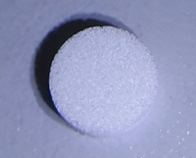 |  | 20 | 13 | 1.6462 | 32.923735742 |  |  |  | 0.00005 |  | 0.8*0.2*0.2 | Spare parts for Chip mountor | No
SILK SCREEN PRINTING TABLE | 丝印台 | TECHSEN Electronics Shenzhen Co., Ltd | / | SPY-SSPT-22005/22026-01 | 8421991000 | 84213990 | / | / | 2023-08-21 | CHINA | NEW | 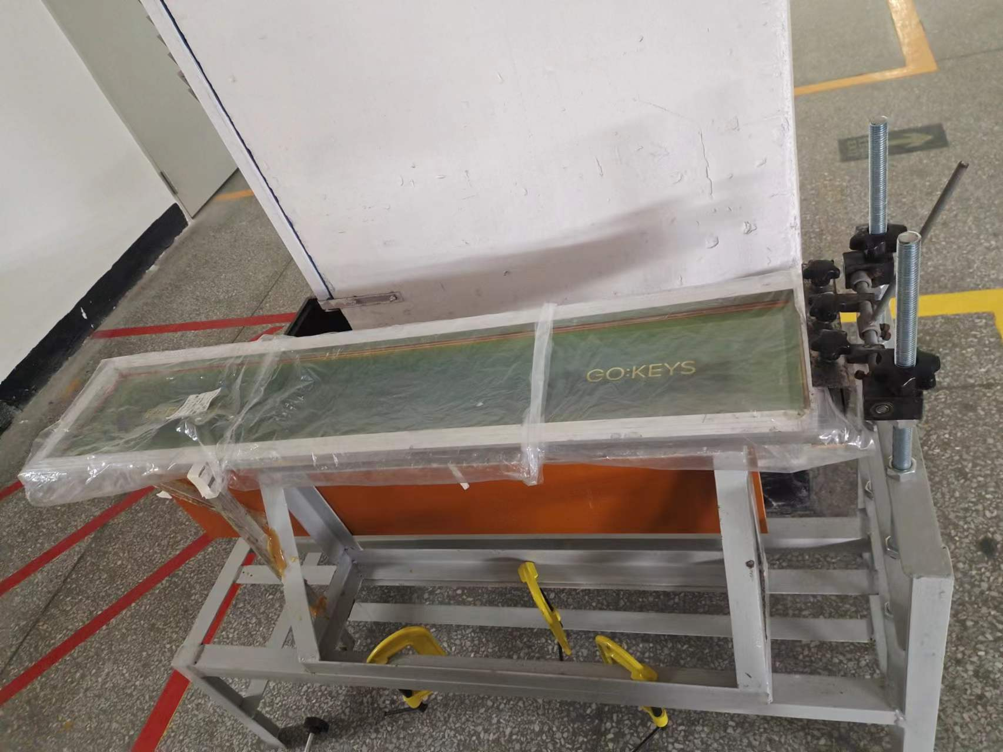 |  | 1 | 4000 | 572.3665 | 572.3665 | SPY1 | 1 |  | 80 | 140*60*110 | 130*50*100 | silk screen printing for plastic case | NO
SILK SCREEN PRINTING TABLE | 丝印台 | TECHSEN Electronics Shenzhen Co., Ltd | / | SPY-SSPT-22005/22026-02 | 4008110000 | 40081190 | / | / | 2023-08-21 | CHINA | NEW |  |  | 1 | 4000 | 572.3665 | 572.3665 | SPY2 | 1 |  | 100 | 130*70*90 | 120*60*80 | silk screen printing for plastic case | NO

